Intro
Over the past few years, the Bloomberg Query Language has seen a tremendous amount of growth in its product offering and usage base. To help meet the growing technical demands of our clients, Bloomberg's Quant Solutions Team will be running an eight part webinar series on BQL's core workflows for Equity and Fixed Income, providing samples and walkthroughs on some of our most popular and in demand BQL-powered templates.
If you're interested in learning more about BQL, visit BQLX <GO> for more information regarding the API and other popular workflows About BQL:
BQL is an API based on normalized, curated, point-in-time data. Using BQL, you can perform custom calculations directly in the Bloomberg Cloud. Analyses that previously required you to download thousands of data points and perform complicated Microsoft® Excel manipulation now require only one formula. You just specify the data you want and the calculation you want to perform-including, but not limited to, arithmetic and statistical operations, filtering, grouping, scoring, and dates-based analysis-so you can synthesize large amounts of data and extract the exact information you need.
Bloomberg | BQL | Core Equity Workflows

 | Episode 3:
 | Factor Scoring and Performance

Factor Workflows have grown in popularity and are a key part of an Equity investor's workflow. The ability to filter a universe for top/bottom quantiles based on factor, tracking historical factor performance, or isolating fundamental factor tilts in a portfolio can help an investor gain a more comprehensive understanding of portfolio performance and attribution.
Once the underlying inputs have been collected and tested, and a composite score has been created, Fundamental Factors provides insights to create fundamentally sounds portfolios and add context when comparing to a benchmark.
In the third of a 4 part series on Equity workflows, Bloomberg's Quant Solutions team will review a collection of workflows for creating and measuring Portfolio Factor Scores and Factor Performance.

Episode 3: Content and Agenda
1) Portfolio Fundamental Factor Scores
The Portfolio Factor Scores sheet allows you to input a universe and a benchmark, along with a set of 9 fundamental factors. The query will combine universes, rank each factor against the corresponding group, sum the percentile rankings, and re-rank the output to create a composite score. The chart will provide a visual representation of the score distribution, with the ability to adjust the X & Y axes and isolate key contributing factors to the composite score.
2) Factor Performance
The included Factor Performance Worksheet is a workflow for Factor Returns Analysis with BQL, highlighting aspects of PIT Equity Data and new ESG fields (e.g. MSCI ESG Scores). Users are able to adjust a series of inputs to capture and visualize cumulative factor returns over multiple time periods. Additionally, information coefficients are calculated to gauge the predictive capability of each factor over each time period.
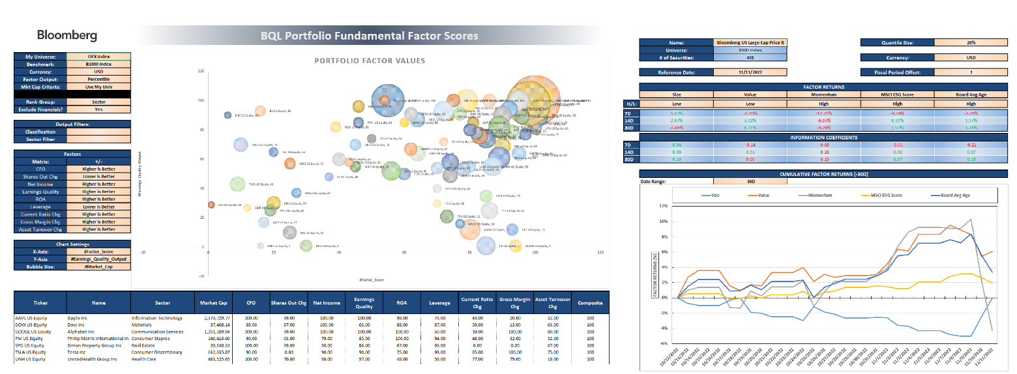

Episodes are self-contained and can be viewed independent of one another - you do not need to watch prior episodes to understand future ones!
Webinars will be recorded! If you're interested in accessing a replay, please register using the hyperlinks on the left to receive recording link.
 | Click Links Below to Register for Future Episodes! |  |  |  | BQLX <GO> | << click for direct access

 | Eqty Ep 1: | Dashboarding & Relative Value | FI Ep 1: | DCM & Issuer Analysis
 | Eqty Ep 2: | ESG Scores and Carbon Footprints | FI Ep 2: | Credit Spread Matrices
 | Eqty Ep 3: | Equity Factor Workflows | FI Ep 3: | Comparing Credit Curves in Excel
 | Eqty Ep 4: | Equity Capital Markets | FI Ep 4: | Accessing Axes Data

We will be hosting parallel sessions how to access BQL analytics programmatically with Python, and other functionality through BQuant*. Reach out to kdzekov1@bloomberg.net with questions related to upcoming BQNT content. For general inquiries, visit BQIQ <GO> for more information regarding BQuant or schedule a demo through BQNT <GO>
*NOTE: BQuant is only available for Bloomberg Anywhere users on the Buyside.

Portfolio Factor Scores
^Expand for Factor Inputs & Queries

BQL Portfolio Fundamental Factor Scores

Portfolio Fundamental Factor Model Overview:
The Portfolio Fundamental Factor Model is an Equity Factor workflow designed to demonstrate BQL's capabilities in creating custom factor scores. With this dashboard, users can define and calculate fundamental factor scores, then rank securities of an input universe against a benchmark.
Guide:
Input a portfolio (or universe) and a benchmark, define custom factor inputs in the grouped columns to the left, and adjust your parameters in the control area to the left of the bubble chart. The Portfolio Fundamental Factor Model then calculates factor percentile scores and a composite score for the input universe. Use the "Refresh" Button under the Bloomberg tab to update the data once all inputs are set.
The model compiles the underlying securities of the input universe and benchmark, extracts all fundamental factor input data on Bloomberg's Servers, then ranks each security from "My Universe" against the benchmark group to output a Composite Factor Score. The composite score is calculated by summing each factor score and re-ranking against the benchmark group.
Input Dictionary:
My Universe: Input a portfolio, index, or fund.
Benchmark: Input a benchmark (can be an index or a fund).
Currency: Select a currency that applies to the entire universe.
Factor Output: Define the output type for your defined fundamental factors. "Percentile" will display the percentile ranking vs the selected group, and "Value" will display the actual value based on the factor inputs.
Market Cap Criteria: Define how to filter the benchmark universe. "Use My Universe" will create a range based on the highest and lowest market cap in "My Universe". "Use Custom" will allow you to define a market cap range, separated by a comma. "None" will rank against the entire universe.
Rank Group: Select to rank "My Universe" against the underlying securities sector or the entire Benchmark.
Output Filters: Filter the output for a specified sector (i.e. GICS_1 = GICS Level 1)
Factors: Expand the left grouping to define factors using custom BQL inputs. The first amber column is used to name each variable, beginning with a "#". The second amber column is the BQL query input, and the last amber column gives the option to include or exclude factors from the composite score.
The table to the left of the chart ("Factors") will then allow you define if "Higher is Better" or "Lower is Better" when ranking against the benchmark.
Chart Settings: Select which column's will be displayed on the X and Y axis of the chart, and define the bubble-size parameter.
Portfolio Factor Values
100 | 100
100 | 100
100 | 100
100 | 100
100 | 50
100 | 91
100 | 100
98 | 98
97 | 97
97 | 97
96 | 87
96 | 73
95 | 90
95 | 80
94 | 91
93 | 86
93 | 93
91 | 87
90 | 90
90 | 100
89 | 89
89 | 96
88 | 88
88 | 82
87 | 100
87 | 85
86 | 75
86 | 86
85 | 78
85 | 94
85 | 70
83 | 83
82 | 66
82 | 78
82 | 91
80 | 50
80 | 89
80 | 85
79 | 70
79 | 65
79 | 100
78 | 82
76 | 43
75 | 95
75 | 90
75 | 82
73 | 73
72 | 93
72 | 72
72 | 72
...
 | My Universe: | OEX Index
 | Benchmark: | B1000 Index
 | Currency: | USD
 | Factor Output: | Percentile
 | Mkt Cap Criteria: | Use My Univ
 | Mkt Cap Filter | 100M,500B
 | Rank Group: | Sector
 | Exclude Financials? | Yes

 | Output Filters:
 | Classification
 | Sector Filter

 | Factors
 | Metric: | +/-
 | CFO | Higher is Better
 | Shares Out Chg | Lower is Better
 | Net Income | Higher is Better
 | Earnings Quality | Higher is Better
 | ROA | Higher is Better
 | Leverage | Lower is Better
 | Current Ratio Chg | Higher is Better
 | Gross Margin Chg | Higher is Better
 | Asset Turnover Chg | Higher is Better

 | Chart Settings
 | X-Axis: | #Factor_Score
 | Y-Axis | #Net_Income_Output
 | Bubble Size: | #Market_Cap

 | Ticker | Name | Sector | Market Cap | CFO | Shares Out Chg | Net Income | Earnings Quality | ROA | Leverage | Current Ratio Chg | Gross Margin Chg | Asset Turnover Chg | Composite
 | ID | #Company_Name | #Sector_Name | #Market_Cap | #CFO_Output | #Shares_Out_Chg_Output | #Net_Income_Output | #Earnings_Quality_Output | #ROA_Output | #Leverage_Output | #Current_Ratio_Chg_Output | #Gross_Margin_Chg_Output | #Asset_Turnover_Chg_Output | #Factor_Score
 | AAPL US Equity | Apple Inc | Information Technology | 2,396,818.82 | 100.00 | 99.00 | 100.00 | 100.00 | 98.00 | 77.00 | 44.00 | 27.00 | 37.00 | 100
 | GOOGL US Equity | Alphabet Inc | Communication Services | 1,251,609.58 | 100.00 | 99.00 | 100.00 | 100.00 | 100.00 | 50.00 | 10.00 | 100.00 | 80.00 | 100
 | PFE US Equity | Pfizer Inc | Health Care | 269,747.83 | 97.00 | 12.00 | 100.00 | 35.00 | 88.00 | 81.00 | 88.00 | 97.00 | 97.00 | 100
 | SPG US Equity | Simon Property Group Inc | Real Estate | 38,286.29 | 100.00 | 99.00 | 50.00 | 84.00 | 67.00 | 99.00 | 0.00 | 0.00 | 67.00 | 100
 | TSLA US Equity | Tesla Inc | Consumer Discretionary | 561,890.48 | 91.00 | 0.00 | 91.00 | 91.00 | 78.00 | 99.00 | 82.00 | 100.00 | 78.00 | 100
 | UPS US Equity | United Parcel Service Inc | Industrials | 154,431.14 | 100.00 | 28.00 | 100.00 | 83.00 | 97.00 | 96.00 | 68.00 | 80.00 | 25.00 | 100
 | MSFT US Equity | Microsoft Corp | Information Technology | 1,784,116.38 | 98.00 | 95.00 | 98.00 | 98.00 | 85.00 | 63.00 | 32.00 | 42.00 | 41.00 | 98
 | CAT US Equity | Caterpillar Inc | Industrials | 119,147.72 | 86.00 | 82.00 | 97.00 | 11.00 | 65.00 | 67.00 | 33.00 | 72.00 | 93.00 | 97
 | UNH US Equity | UnitedHealth Group Inc | Health Care | 494,382.78 | 100.00 | 69.00 | 97.00 | 97.00 | 49.00 | 57.00 | 73.00 | 79.00 | 16.00 | 97
 | AVGO US Equity | Broadcom Inc | Information Technology | 207,841.89 | 94.00 | 63.00 | 87.00 | 89.00 | 66.00 | 20.00 | 53.00 | 74.00 | 89.00 | 96
 | MCD US Equity | McDonald's Corp | Consumer Discretionary | 200,266.66 | 73.00 | 68.00 | 73.00 | 78.00 | 64.00 | 9.00 | 100.00 | 58.00 | 50.00 | 96
 | PEP US Equity | PepsiCo Inc | Consumer Staples | 248,786.73 | 80.00 | 45.00 | 90.00 | 65.00 | 60.00 | 60.00 | 70.00 | 75.00 | 65.00 | 95
 | PM US Equity | Philip Morris International In | Consumer Staples | 149,054.59 | 90.00 | 60.00 | 80.00 | 80.00 | 100.00 | 95.00 | 45.00 | 30.00 | 30.00 | 95
 | QCOM US Equity | QUALCOMM Inc | Information Technology | 137,457.02 | 78.00 | 54.00 | 91.00 | 1.00 | 96.00 | 93.00 | 82.00 | 79.00 | 53.00 | 94
 | COP US Equity | ConocoPhillips | Energy | 159,646.62 | 86.00 | 85.00 | 86.00 | 79.00 | 86.00 | 42.00 | 1.00 | 72.00 | 93.00 | 93
 | UNP US Equity | Union Pacific Corp | Industrials | 129,102.02 | 93.00 | 92.00 | 93.00 | 79.00 | 75.00 | 10.00 | 90.00 | 0.00 | 72.00 | 93
 | GM US Equity | General Motors Co | Consumer Discretionary | 55,712.62 | 96.00 | 99.00 | 87.00 | 96.00 | 10.00 | 68.00 | 78.00 | 10.00 | 28.00 | 91
 | META US Equity | Meta Platforms Inc | Communication Services | 296,058.66 | 90.00 | 80.00 | 90.00 | 90.00 | 90.00 | 0.00 | 1.00 | 60.00 | 40.00 | 90
 | PG US Equity | Procter & Gamble Co/The | Consumer Staples | 336,876.11 | 95.00 | 95.00 | 100.00 | 70.00 | 80.00 | 20.00 | 60.00 | 15.00 | 50.00 | 90
 | DOW US Equity | Dow Inc | Materials | 35,124.69 | 78.00 | 88.00 | 89.00 | 67.00 | 89.00 | 88.00 | 45.00 | 12.00 | 78.00 | 89
 | V US Equity | Visa Inc | Information Technology | 447,498.34 | 96.00 | 90.00 | 96.00 | 82.00 | 78.00 | 45.00 | 35.00 | 0.00 | 75.00 | 89
 | ABBV US Equity | AbbVie Inc | Health Care | 274,680.41 | 94.00 | 18.00 | 88.00 | 94.00 | 55.00 | 90.00 | 40.00 | 54.00 | 76.00 | 88
 | ABT US Equity | Abbott Laboratories | Health Care | 180,477.33 | 72.00 | 87.00 | 82.00 | 63.00 | 67.00 | 75.00 | 67.00 | 44.00 | 52.00 | 88
 | HD US Equity | Home Depot Inc/The | Consumer Discretionary | 318,174.17 | 87.00 | 81.00 | 100.00 | 1.00 | 96.00 | 27.00 | 96.00 | 43.00 | 19.00 | 87
 | MA US Equity | Mastercard Inc | Information Technology | 329,963.38 | 85.00 | 77.00 | 85.00 | 50.00 | 94.00 | 54.00 | 55.00 | 0.00 | 69.00 | 87
 | HON US Equity | Honeywell International Inc | Industrials | 143,991.25 | 72.00 | 75.00 | 75.00 | 36.00 | 58.00 | 64.00 | 75.00 | 28.00 | 68.00 | 86
 | NEE US Equity | NextEra Energy Inc | Utilities | 164,576.89 | 100.00 | 14.00 | 86.00 | 100.00 | 43.00 | 71.00 | 29.00 | 100.00 | 1.00 | 86
 | ACN US Equity | Accenture PLC | Information Technology | 179,171.06 | 80.00 | 40.00 | 78.00 | 71.00 | 69.00 | 50.00 | 66.00 | 52.00 | 60.00 | 85
 | JNJ US Equity | Johnson & Johnson | Health Care | 459,103.34 | 88.00 | 81.00 | 94.00 | 60.00 | 70.00 | 45.00 | 79.00 | 29.00 | 49.00 | 85
 | MO US Equity | Altria Group Inc | Consumer Staples | 78,882.48 | 75.00 | 90.00 | 70.00 | 95.00 | 85.00 | 0.00 | 15.00 | 45.00 | 95.00 | 85
 | LMT US Equity | Lockheed Martin Corp | Industrials | 125,080.04 | 97.00 | 71.00 | 83.00 | 86.00 | 79.00 | 35.00 | 58.00 | 16.00 | 15.00 | 83
 | ADBE US Equity | Adobe Inc | Information Technology | 153,905.14 | 71.00 | 65.00 | 66.00 | 73.00 | 80.00 | 70.00 | 39.00 | 35.00 | 55.00 | 82
 | LOW US Equity | Lowe's Cos Inc | Consumer Discretionary | 126,770.28 | 78.00 | 95.00 | 78.00 | 87.00 | 73.00 | 4.00 | 69.00 | 20.00 | 41.00 | 82
 | MRK US Equity | Merck & Co Inc | Health Care | 263,655.82 | 85.00 | 3.00 | 91.00 | 75.00 | 82.00 | 12.00 | 82.00 | 91.00 | 55.00 | 82
 | CMCSA US Equity | Comcast Corp | Communication Services | 148,725.27 | 60.00 | 90.00 | 50.00 | 80.00 | 20.00 | 30.00 | 30.00 | 80.00 | 90.00 | 80
 | CSCO US Equity | Cisco Systems Inc | Information Technology | 195,854.72 | 89.00 | 97.00 | 89.00 | 66.00 | 60.00 | 61.00 | 46.00 | 5.00 | 32.00 | 80
 | WMT US Equity | Walmart Inc | Consumer Staples | 405,398.58 | 100.00 | 99.00 | 85.00 | 100.00 | 15.00 | 55.00 | 40.00 | 55.00 | 20.00 | 80
 | BMY US Equity | Bristol-Myers Squibb Co | Health Care | 164,139.57 | 82.00 | 99.00 | 70.00 | 91.00 | 40.00 | 15.00 | 49.00 | 35.00 | 91.00 | 79
 | FDX US Equity | FedEx Corp | Industrials | 45,329.74 | 90.00 | 42.00 | 65.00 | 90.00 | 25.00 | 42.00 | 61.00 | 68.00 | 50.00 | 79
 | XOM US Equity | Exxon Mobil Corp | Energy | 458,571.97 | 100.00 | 92.00 | 100.00 | 100.00 | 58.00 | 28.00 | 100.00 | 1.00 | 36.00 | 79
 | F US Equity | Ford Motor Co | Consumer Discretionary | 55,804.46 | 82.00 | 9.00 | 82.00 | 41.00 | 5.00 | 90.00 | 64.00 | 81.00 | 69.00 | 78
 | CVS US Equity | CVS Health Corp | Health Care | 126,561.29 | 91.00 | 57.00 | 43.00 | 100.00 | 4.00 | 78.00 | 61.00 | 50.00 | 82.00 | 76
 | KO US Equity | Coca-Cola Co/The | Consumer Staples | 264,098.02 | 85.00 | 0.00 | 95.00 | 55.00 | 65.00 | 90.00 | 10.00 | 80.00 | 80.00 | 75
 | MMM US Equity | 3M Co | Industrials | 69,722.99 | 83.00 | 85.00 | 90.00 | 15.00 | 90.00 | 85.00 | 43.00 | 4.00 | 36.00 | 75
 | TXN US Equity | Texas Instruments Inc | Information Technology | 158,425.72 | 75.00 | 75.00 | 82.00 | 19.00 | 100.00 | 72.00 | 16.00 | 49.00 | 23.00 | 75
 | DHR US Equity | Danaher Corp | Health Care | 188,542.34 | 54.00 | 0.00 | 73.00 | 47.00 | 52.00 | 84.00 | 91.00 | 72.00 | 85.00 | 73
 | CVX US Equity | Chevron Corp | Energy | 349,853.21 | 93.00 | 14.00 | 93.00 | 93.00 | 36.00 | 85.00 | 50.00 | 79.00 | 50.00 | 72
 | RTX US Equity | Raytheon Technologies Corp | Industrials | 141,375.74 | 79.00 | 89.00 | 72.00 | 58.00 | 11.00 | 32.00 | 54.00 | 92.00 | 43.00 | 72
 | SO US Equity | Southern Co/The | Utilities | 71,027.74 | 72.00 | 0.00 | 72.00 | 72.00 | 58.00 | 99.00 | 15.00 | 29.00 | 86.00 | 72
 | CHTR US Equity | Charter Communications Inc | Communication Services | 67,174.15 | 40.00 | 70.00 | 60.00 | 40.00 | 30.00 | 10.00 | 90.00 | 70.00 | 50.00 | 70
 | CRM US Equity | Salesforce Inc | Information Technology | 147,090.00 | 64.00 | 13.00 | 19.00 | 91.00 | 14.00 | 68.00 | 91.00 | 57.00 | 73.00 | 69
 | LIN US Equity | Linde PLC | Materials | 163,955.42 | 89.00 | 55.00 | 67.00 | 100.00 | 34.00 | 66.00 | 34.00 | 56.00 | 100.00 | 67
 | ORCL US Equity | Oracle Corp | Information Technology | 213,644.21 | 82.00 | 93.00 | 71.00 | 87.00 | 32.00 | 81.00 | 5.00 | 13.00 | 21.00 | 66
 | COST US Equity | Costco Wholesale Corp | Consumer Staples | 230,207.27 | 70.00 | 10.00 | 75.00 | 60.00 | 45.00 | 65.00 | 80.00 | 85.00 | 45.00 | 65
 | BKNG US Equity | Booking Holdings Inc | Consumer Discretionary | 75,140.09 | 69.00 | 27.00 | 50.00 | 82.00 | 46.00 | 95.00 | 1.00 | 0.00 | 100.00 | 64
 | NVDA US Equity | NVIDIA Corp | Information Technology | 377,235.00 | 69.00 | 72.00 | 73.00 | 30.00 | 71.00 | 75.00 | 1.00 | 15.00 | 78.00 | 64
 | AMGN US Equity | Amgen Inc | Health Care | 152,630.33 | 69.00 | 96.00 | 76.00 | 66.00 | 64.00 | 3.00 | 70.00 | 25.00 | 34.00 | 61
 | AMZN US Equity | Amazon.com Inc | Consumer Discretionary | 946,290.13 | 100.00 | 4.00 | 96.00 | 100.00 | 1.00 | 50.00 | 28.00 | 67.00 | 14.00 | 60
 | T US Equity | AT&T Inc | Communication Services | 135,377.37 | 70.00 | 60.00 | 80.00 | 50.00 | 40.00 | 20.00 | 40.00 | 20.00 | 70.00 | 60
 | LLY US Equity | Eli Lilly & Co | Health Care | 343,166.25 | 47.00 | 60.00 | 61.00 | 50.00 | 79.00 | 69.00 | 25.00 | 41.00 | 46.00 | 55
 | SBUX US Equity | Starbucks Corp | Consumer Discretionary | 111,997.71 | 60.00 | 86.00 | 55.00 | 69.00 | 50.00 | 13.00 | 14.00 | 15.00 | 82.00 | 55
 | GD US Equity | General Dynamics Corp | Industrials | 68,403.87 | 75.00 | 39.00 | 58.00 | 75.00 | 36.00 | 89.00 | 50.00 | 20.00 | 22.00 | 54
 | GE US Equity | General Electric Co | Industrials | 92,833.08 | 58.00 | 46.00 | 8.00 | 100.00 | 8.00 | 99.00 | 4.00 | 40.00 | 97.00 | 50
 | IBM US Equity | International Business Machine | Information Technology | 133,357.19 | 73.00 | 22.00 | 37.00 | 96.00 | 16.00 | 15.00 | 89.00 | 10.00 | 82.00 | 48
 | PYPL US Equity | PayPal Holdings Inc | Information Technology | 96,526.15 | 66.00 | 84.00 | 57.00 | 85.00 | 25.00 | 13.00 | 64.00 | 0.00 | 39.00 | 46
 | DUK US Equity | Duke Energy Corp | Utilities | 74,551.40 | 86.00 | 85.00 | 100.00 | 58.00 | 1.00 | 28.00 | 58.00 | 15.00 | 29.00 | 43
 | MDT US Equity | Medtronic PLC | Health Care | 107,701.29 | 44.00 | 78.00 | 52.00 | 54.00 | 34.00 | 93.00 | 7.00 | 16.00 | 25.00 | 43
 | VZ US Equity | Verizon Communications Inc | Communication Services | 162,049.95 | 80.00 | 0.00 | 70.00 | 60.00 | 50.00 | 90.00 | 20.00 | 40.00 | 20.00 | 40
 | GILD US Equity | Gilead Sciences Inc | Health Care | 104,328.00 | 66.00 | 30.00 | 49.00 | 82.00 | 28.00 | 39.00 | 43.00 | 7.00 | 43.00 | 37
 | CL US Equity | Colgate-Palmolive Co | Consumer Staples | 63,380.23 | 30.00 | 65.00 | 35.00 | 45.00 | 75.00 | 15.00 | 95.00 | 20.00 | 10.00 | 35
 | NKE US Equity | NIKE Inc | Consumer Discretionary | 163,617.09 | 64.00 | 72.00 | 69.00 | 10.00 | 69.00 | 86.00 | 5.00 | 24.00 | 1.00 | 32
 | NFLX US Equity | Netflix Inc | Communication Services | 128,595.35 | 1.00 | 10.00 | 40.00 | 1.00 | 80.00 | 99.00 | 70.00 | 50.00 | 30.00 | 30
 | MDLZ US Equity | Mondelez International Inc | Consumer Staples | 88,164.33 | 50.00 | 80.00 | 55.00 | 35.00 | 20.00 | 5.00 | 65.00 | 25.00 | 35.00 | 25
 | BA US Equity | Boeing Co/The | Industrials | 102,592.55 | 1.00 | 3.00 | 4.00 | 93.00 | 4.00 | 53.00 | 47.00 | 100.00 | 47.00 | 22
 | AMD US Equity | Advanced Micro Devices Inc | Information Technology | 116,601.72 | 48.00 | 0.00 | 55.00 | 53.00 | 28.00 | 22.00 | 50.00 | 93.00 | 1.00 | 21
 | DIS US Equity | Walt Disney Co/The | Communication Services | 166,262.68 | 30.00 | 40.00 | 30.00 | 30.00 | 10.00 | 80.00 | 50.00 | 1.00 | 100.00 | 20
 | INTC US Equity | Intel Corp | Information Technology | 122,509.99 | 87.00 | 6.00 | 94.00 | 23.00 | 44.00 | 38.00 | 37.00 | 3.00 | 12.00 | 19
 | AMT US Equity | American Tower Corp | Real Estate | 100,477.69 | 1.00 | 16.00 | 67.00 | 17.00 | 50.00 | 83.00 | 0.00 | 0.00 | 34.00 | 17
 | EMR US Equity | Emerson Electric Co | Industrials | 55,739.45 | 47.00 | 32.00 | 50.00 | 25.00 | 61.00 | 46.00 | 25.00 | 48.00 | 4.00 | 15
 | WBA US Equity | Walgreens Boots Alliance Inc | Consumer Staples | 34,021.75 | 45.00 | 20.00 | 65.00 | 1.00 | 25.00 | 50.00 | 85.00 | 40.00 | 1.00 | 15
 | TMO US Equity | Thermo Fisher Scientific Inc | Health Care | 209,491.27 | 50.00 | 36.00 | 79.00 | 41.00 | 46.00 | 18.00 | 4.00 | 10.00 | 7.00 | 13
 | TGT US Equity | Target Corp | Consumer Discretionary | 75,518.74 | 55.00 | 77.00 | 64.00 | 32.00 | 14.00 | 18.00 | 41.00 | 1.00 | 23.00 | 10
 | TMUS US Equity | T-Mobile US Inc | Communication Services | 186,374.29 | 50.00 | 20.00 | 10.00 | 70.00 | 1.00 | 70.00 | 60.00 | 30.00 | 10.00 | 10
 | KHC US Equity | Kraft Heinz Co/The | Consumer Staples | 46,400.36 | 60.00 | 15.00 | 10.00 | 90.00 | 5.00 | 80.00 | 20.00 | 1.00 | 15.00 | 5
 | EXC US Equity | Exelon Corp | Utilities | 37,716.52 | 15.00 | 42.00 | 15.00 | 29.00 | 15.00 | 0.00 | 1.00 | 1.00 | 100.00 | 1

Factor Performance
Input Dictionary: Universe: Select your estimation universe. Has been preloaded with common baskets. Quantile Size: Size of the quantile used in cutting the universe (e.g. 10%, 20%, etc.) Reference Date: Reference point used for deriving each period's rebalance date. Currency: Display currency for calculations. Fiscal Period Offset: Overrides reference point for estimates (0 for actuals, 1 for BA1 estimate, 2 for BA2 estimate). H/L: Select rank direction for a factor. "High" ranks larger values in the top quantile while "Low" ranks lower values in the top quantile. Date Range: Select the date range for graphing cumulative factor return. Securities are rebalanced as of the start date. #end: Pre-defined variable in let() corresponding to rebalance date. Use this as your end date variable in any dates=range() based factors (e.g. sample Momentum factor).
 |  |  | Name: | Bloomberg US Large Cap Price R |  | Quantile Size: | 20%
 |  |  | Universe: | B500 Index
 |  |  | # of Securities: | 498 |  | Currency: | USD
Custom Factor Construction Template Overview:
This workflow is designed to demonstrate BQL's capabilities in creating and measuring custom equity factors. Users can create and name composite factors in the input table below which feed the analytics on the right. Securities are rebalanced once using the relative date from the reference date. For clients interested in multiple rebalance periods, please contact your Account Manager and inquire into BQNT's Bqfactor tool.
 |  |  | Reference Date: | 2022-11-18 |  | Fiscal Period Offset: | 1

 |  |  | FACTOR RETURNS
 |  |  | Size | Value | Momentum | MSCI ESG Score | Board Avg Age

 |  | H/L: | Low | Low | High | High | High

Factor Creation Guide: Assign a name for your factor in the Name column. This value is then fed into the input row above the returns table. Build your factor in the Factor column using BQL fields. Composite factors can be created using standard order of operations. *Note - wrap composites in () for overrides to apply.
 |  | 7D | #N/A Invalid Security: No symbols met filter criteria in filter(intersect(TRANSLATESYMBOLS(members(#members,dates=-7d),TARGETIDTYPE='FUNDAMENTALTICKER'),TRANSLATESYMBOLS(members(#members,dates=-7d),TARGETIDTYPE='FUNDAMENTALTICKER')),#factor4!=NA). | 0.00% | 0.00% | 0.00% | 0.00%
 |  | 14D | Processing... | Processing... | Processing... | Processing... | Processing...
 |  | 30D | #N/A Invalid Security: No symbols met filter criteria in filter(intersect(TRANSLATESYMBOLS(members(#members,dates=-30d),TARGETIDTYPE='FUNDAMENTALTICKER'),TRANSLATESYMBOLS(members(#members,dates=-30d),TARGETIDTYPE='FUNDAMENTALTICKER')),#factor4!=NA). | 0.00% | 0.00% | 0.00% | 0.00%

 |  |  | INFORMATION COEFFICIENTS
 |  | 7D | -0.08 | 0.09 | 0.48 | - | 0.30
 |  | 14D | -0.03 | -0.09 | -0.41 | - | -0.02
 |  | 30D | 0.09 | -0.01 | 0.02 | - | 0.22

 | Size | Value | Momentum | MSCI ESG Score | Board Avg Age
 |  |  | CUMULATIVE FACTOR RETURNS [-30D]
 |  |  | Date Range: | -30D
Name your factor, for use in tables on the right.
Build your factor below. Composite factors can be created using standard order of operations.

Name | Factor
Size | CUR_MKT_CAP
Value | PE_RATIO
Quality | RETURN_COM_EQY
Recommendation | BEST_ANALYST_RATING
Momentum | pct_chg(px_last(dates=range(-360d,#end)))
MSCI ESG Score | ESG_SCORE(score_source=MSCI,score_type=OVERALL)
Board Avg Age | BOD_AVERAGE_AGE

Period Reference Guide
BQL Reference Guide for FPT=() and FPO=()

Fiscal Period Type Codes and Description

Parameter Description | Controls the type of fiscal period returned, which could be a fiscal period reported by the company (such as an Annual, Quarterly or Semiannual fiscal period) or a synthetic fiscal period created by Bloomberg (such as a last-12-months, calendar, or blended period)

FPT Value | Period Name | Description
A | Annual | Returns data for an Annual fiscal period, as reported by the source.
Q | Quarterly | Returns data for a Quarterly fiscal period, as reported by the source.
S | Semiannual | Returns data for a Semiannual fiscal period, as reported by the source.
P | Primary | Returns data for the primary periodicity used by the company to report its financials.
LTM | Last 12 months | Returns data for a synthetic fiscal period calculated by Bloomberg that covers a 12-months period. The calculation may use quarterly, semiannual or annual data reported by the company, depending on a company's primary reporting periodicity.
YTD | Year-to-date | Returns data for a synthetic fiscal period calculated by Bloomberg for the last 3, 6, 9 or 12-month period. The calculation may use quarterly, semiannual or annual data reported by the company, depending on a company's primary reporting periodicity.
BA | Blended Annual | Returns data for a synthetic fiscal period calculated by Bloomberg for a 12-month period ending on a custom date. The calculation blends data from quarterly, semiannual or annual data reported by the company, depending on a company's primary reporting periodicity, using a time weighted average.
BQ | Blended Quarter | Returns data for a synthetic fiscal period calculated by Bloomberg for a 3-month period ending on a custom date. The calculation blends data from quarterly, semiannual or annual data reported by the company, depending on a company's primary reporting periodicity, using a time weighted average.
BS | Blended Semiannual | Returns data for a synthetic fiscal period calculated by Bloomberg for a 6-month period ending on a custom date. The calculation blends data from quarterly, semiannual or annual data reported by the company, depending on a company's primary reporting periodicity, using a time weighted average.
BT | Blended Trailing | Returns data for a synthetic fiscal period calculated by Bloomberg for a 12-month period ending on a custom date. The calculation blends data from quarterly, semiannual or annual data reported by the company, depending on a company's primary reporting periodicity, using a time weighted average.

Fiscal Period Offset Codes and Description

Parameter Description | Controls the number of fiscal periods offset from period 0. Period 0 is defined as the last fiscal period reported by the company.

FPO Value | Description | Functionality
Integer | Number of fiscal periods | A negative integer returns data for fiscal periods prior to period 0 (i.e. fiscal periods in the past), whereas a positive integer returns data for fiscal periods after period 0 (i.e. fiscal period in the future). For example, FPO='-1' returns data from the prior fiscal period, whereas FPO='1' returns from the next fiscal period. If not specified, the length of 1 offset is determined by the FA_PERIOD_TYPE parameter.

Integer+R | Number of rolling fiscal periods | FPO='-1R' returns data from the prior fiscal period which is determined on a rolling basis. 'G' (generic) is also an alternative input instead of 'R' (rolling).
Integer+F | Number of fixed periods | FPO='-1F' returns data from the prior fiscal period which is determined on a fixed basis.
Integer+A | Number of fiscal periods with annual offset length | FPO='-1A' returns data from the prior fiscal period with one annual offset from period 0.
Integer+S | Number of fiscal periods with semiannual offset length | FPO='-1S' returns data from the prior fiscal period with one semiannual offset from period 0.
Integer+Q | Number of fiscal periods with quarterly offset length | FPO='-1Q' returns data from the prior fiscal period with one quarter offset from period 0.
Integer range | Range between a start and end offset | FPO=range('-3','3') returns 7 points of data from fiscal periods -3, -2, -1, 0, 1, 2 and 3. If not specified, the length of 1 offset is determined by the FA_PERIOD_TYPE parameter.
Integer range+A | Range between a start and end offset with annual offset length | FPO=range('-3A','3A') returns 7 points of data from fiscal periods -3A, -2A, -1A, 0, 1A, 2A and 3A where the length of the offset between the fiscal periods is one annual.
Integer range+S | Range between a start and end offset with semiannual offset length | FPO=range('-3S','3S') returns 7 points of data from fiscal periods -3S, -2S, -1S, 0, 1S, 2S and 3S where the length of the offset between the fiscal periods is one semiannual
Integer range+Q | Range between a start and end offset with quarterly offset length | FPO=range('-3Q','3Q') returns 7 points of data from fiscal periods -3Q, -2Q, -1Q, 0, 1Q, 2Q and 3Q where the length of the offset between the fiscal periods is one quarter.
Integer+R+A | Number of fiscal periods with rolling annual offset length | FPO='-1RA' returns data from the prior fiscal period with one annual offset from period 0.
Integer+R+S | Number of fiscal periods with rolling semiannual offset length | FPO='-1RS' returns data from the prior fiscal period with one semiannual offset from period 0.
Integer+R+Q | Number of fiscal periods with rolling quarterly offset length | FPO='-1RQ' returns data from the prior fiscal period with one quarter offset from period 0.
Integer+F+A | Number of fiscal periods with fixed annual offset length | FPO='-1FA' returns data from the prior fiscal period with one annual offset from period 0.
Integer+F+S | Number of fiscal periods with fixed semiannual offset length | FPO='-1FS' returns data from the prior fiscal period with one semiannual offset from period 0.
Integer+F+Q | Number of fiscal periods with fixed quarterly offset length | FPO='-1FQ' returns data from the prior fiscal period with one quarter offset from period 0.

See BQLX <GO> for more resources!

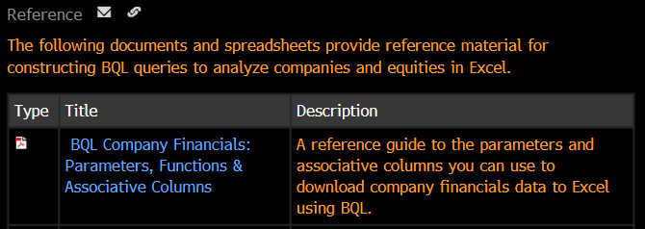
 |  | *Above references can be found in greater detail in the BQL for Equities References section in BQLX <GO>
 |  |  | >BQLX > BQL For Equities > Tutorials and Reference
 |  |  | >Paste following link into terminal for direct access | LPHP BQLX:0:1 3380191 <GO>

Resources
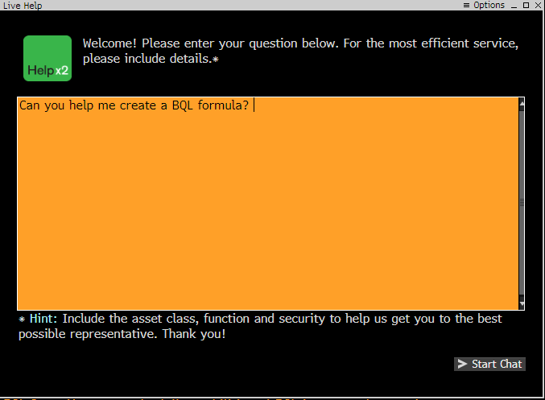
Bloomberg | BQL Resources
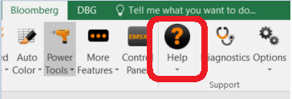

 | BQLX <GO>
 | BQL Builder in the Bloomberg Excel Ribbon
 | Bloomberg Help Desk
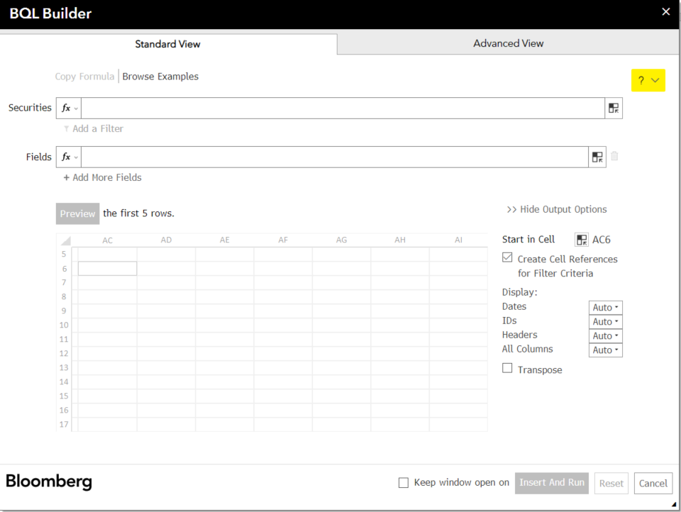
 | Contact Account Manager to discuss Enterprise Opportunities!
 | BQL News Wire at NI BLPBQL <GO>

